png_datasets
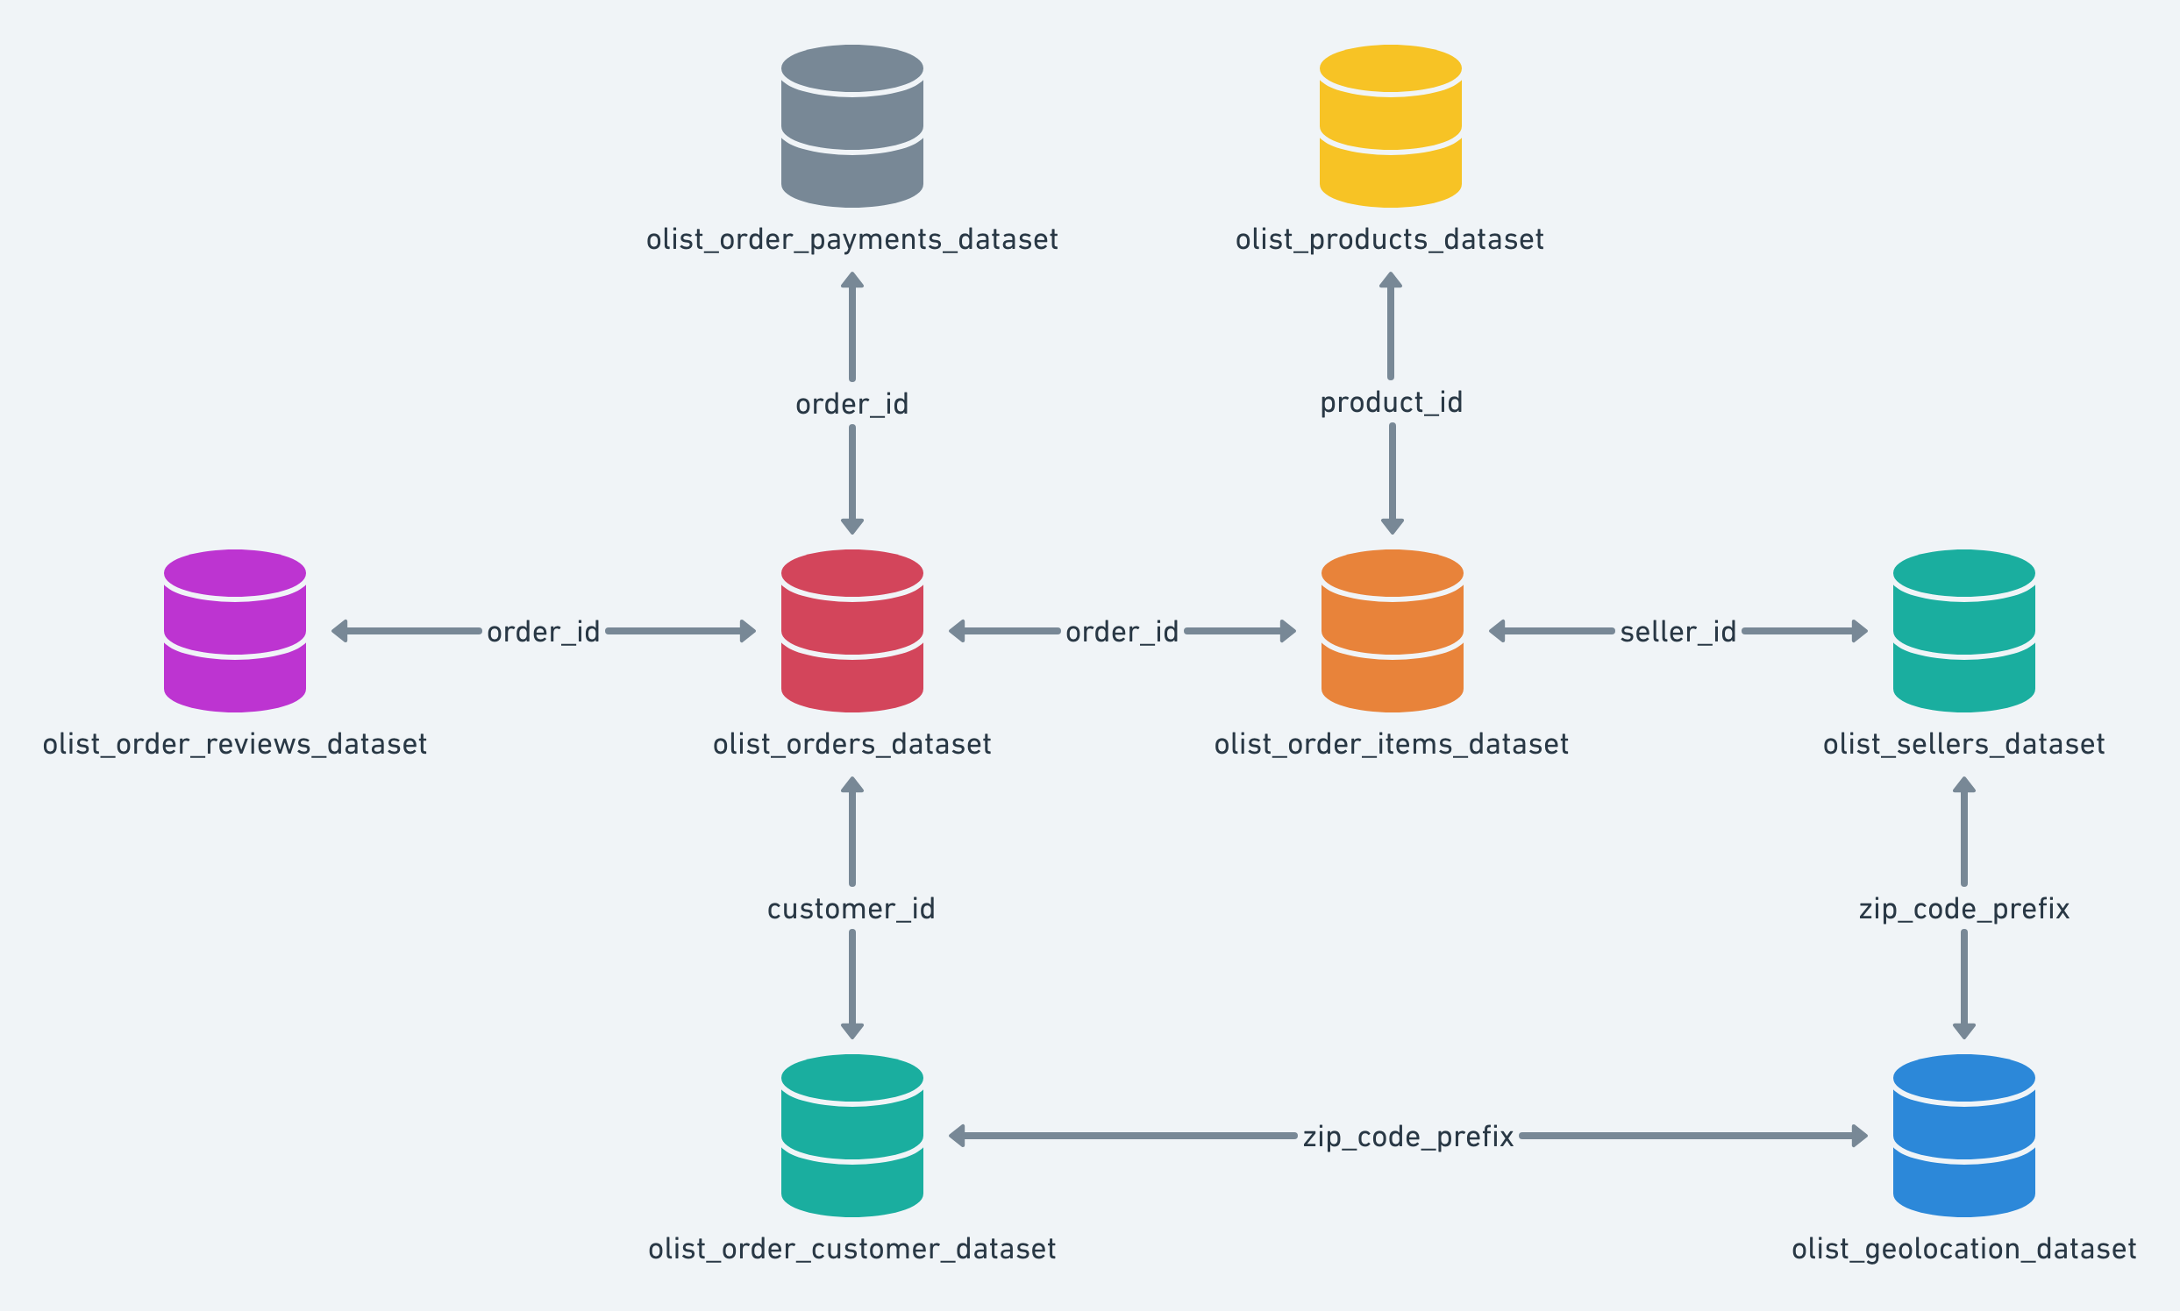

png_mkt
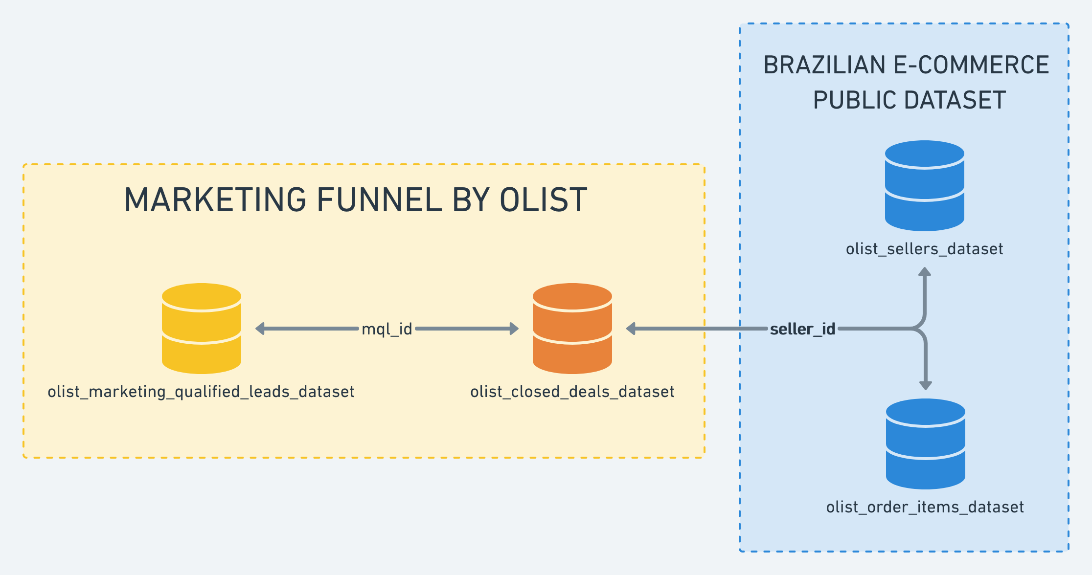

Customer
Customers Dataset
This dataset has information about the customer and its location. Use it to identify unique customers in the orders dataset and to find the orders delivery location.
At our system each order is assigned to a unique customer_id. This means that the same customer will get different ids for different orders. The purpose of having a customer_unique_id on the dataset is to allow you to identify customers that made repurchases at the store. Otherwise you would find that each order had a different customer associated with.
Nome Coluna | Conteúdo
customer_id | key to the orders dataset. Each order has a unique customer_id.
customer_unique_id | unique identifier of a customer.
customer_zip_code_prefix | first five digits of customer zip code
customer_city | customer city name
customer_state | customer state

Geolocation
Geolocation Dataset
This dataset has information Brazilian zip codes and its lat/lng coordinates. Use it to plot maps and find distances between sellers and customers.
Nome Coluna | Conteúdo
geolocation_zip_code_prefix | first 5 digits of zip code
geolocation_lat | latitude
geolocation_lng | longitude
geolocation_city | city name
geolocation_state | state

Order_Items
Order Items Dataset
This dataset includes data about the items purchased within each order.
Example:
The order_id = 00143d0f86d6fbd9f9b38ab440ac16f5 has 3 items (same product). Each item has the freight calculated accordingly to its measures and weight. To get the total freight value for each order you just have to sum.
The total order_item value is: 21.33 * 3 = 63.99
The total freight value is: 15.10 * 3 = 45.30
The total order value (product + freight) is: 45.30 + 63.99 = 109.29
Nome Coluna | Conteúdo
order_id | order unique identifier
order_item_id | sequential number identifying number of items included in the same order.
product_id | product unique identifier
seller_id | seller unique identifier
shipping_limit_date | Shows the seller shipping limit date for handling the order over to the logistic partner.
price | item price
freight_value | item freight value item (if an order has more than one item the freight value is splitted between items)

Payments
Payments Dataset
This dataset includes data about the orders payment options.
Nome Coluna | Conteúdo
order_id | order unique identifier
payment_sequential | a customer may pay an order with more than one payment method. If he does so, a sequence will be created to accommodate all payments.
payment_type | method of payment chosen by the customer.
payment_installments | number of installments chosen by the customer.
payment_value | transaction value.

Reviews
Order Reviews Dataset
This dataset includes data about the reviews made by the customers.
After a customer purchases the product from Olist Store a seller gets notified to fulfill that order. Once the customer receives the product, or the estimated delivery date is due, the customer gets a satisfaction survey by email where he can give a note for the purchase experience and write down some comments.
Nome Coluna | Conteúdo
review_id | unique review identifier
order_id | unique order identifier
review_score | Note ranging from 1 to 5 given by the customer on a satisfaction survey.
review_comment_title | Comment title from the review left by the customer, in Portuguese.
review_comment_message | Comment message from the review left by the customer, in Portuguese.
review_creation_date | Shows the date in which the satisfaction survey was sent to the customer.
review_answer_timestamp | Shows satisfaction survey answer timestamp.

Orders
Order Dataset
This is the core dataset. From each order you might find all other information.
Nome Coluna | Conteúdo
order_id | unique identifier of the order.
customer_id | key to the customer dataset. Each order has a unique customer_id.
order_status | Reference to the order status (delivered, shipped, etc).
order_purchase_timestamp | Shows the purchase timestamp.
order_approved_at | Shows the payment approval timestamp.
order_delivered_carrier_date | Shows the order posting timestamp. When it was handled to the logistic partner.
order_delivered_customer_date | Shows the actual order delivery date to the customer.
order_estimated_delivery_date | Shows the estimated delivery date that was informed to customer at the purchase moment.

Products
Products Dataset
This dataset includes data about the products sold by Olist.
Nome Coluna | Conteúdo
product_id | unique product identifier
product_category_name | root category of product, in Portuguese.
product_name_lenght | number of characters extracted from the product name.
product_description_lenght | number of characters extracted from the product description.
product_photos_qty | number of product published photos
product_weight_g | product weight measured in grams.
product_length_cm | product length measured in centimeters.
product_height_cm | product height measured in centimeters.
product_width_cm | product width measured in centimeters.

Translation
Category Name Translation
Translates the product_category_name to english.
Nome Coluna | Conteúdo
product_category_name | category name in Portuguese
product_category_name_english | category name in English

Seller
Sellers Dataset
This dataset includes data about the sellers that fulfilled orders made at Olist. Use it to find the seller location and to identify which seller fulfilled each product.
Nome Coluna | Conteúdo
seller_id | seller unique identifier
seller_zip_code_prefix | first 5 digits of seller zip code
seller_city | seller city name
seller_state | seller state

Closed_Deals
Closed Deals Dataset
After a qualified lead fills in a form at a landing page he is contacted by a Sales Development Representative. At this step some information is checked and more information about the lead is gathered.
Nome Coluna | Conteúdo
mql_id | Marketing Qualified Lead id
seller_id | Seller id
sdr_id | Sales Development Representative id
sr_id | Sales Representative
won_date | Date the deal was closed.
business_segment | Lead business segment. Informed on contact.
lead_type | Lead type. Informed on contact.
lead_behaviour_profile | Lead behaviour profile. SDR identify it on contact.
has_company | Does the lead have a company (formal documentation)?
has_gtin | Does the lead have Global Trade Item Number (barcode) for his products?
average_stock | Lead declared average stock. Informed on contact.
business_type | Type of business (reseller/manufacturer etc.)
declared_product_catalog_size | Lead declared catalog size. Informed on contact.
declared_monthly_revenue | Lead declared estimated monthly revenue. Informed on contact.

MQL
Marketing Qualified Leads
After a lead fills in a form at a landing page, a filter is made to select the ones that are qualified to sell their products at Olist. They are the Marketing Qualified Leads (MQLs).
Nome Coluna | Conteúdo
mql_id | Marketing Qualified Lead id
first_contact_date | Date of the first contact solicitation.
landing_page_id | Landing page id where the lead was acquired
origin | Type of media where the lead was acquired

